1.CO2_prices_IIASA($2005_tCO2)
CO2 prices GCAM-4
Description: These are the CO2 prices as an output of GCAM4 for SSP2 for each radiative forcing (1.9, 2.6, 3.4, 4.5, 6.0), publicly available at IIASA's website (https://tntcat.iiasa.ac.at/SspDb/dsd?Action=htmlpage&page=about)
Model | Scenario | Region | Variable | Unit | 2005 | 2010 | 2020 | 2030 | 2040 | 2050 | 2060 | 2070 | 2080 | 2090 | 2100 | 1 | CO2_prices_IIASA ($2005_tCO2) | This sheet has the prices for CO2 for SSP2 according to GCAM 4, retrieved from IIASA's website (https://tntcat.iiasa.ac.at/SspDb/dsd?Action=htmlpage&page=about) | Prices are in 2005 US$ per ton of CO2. They were converted with R package "rgcam" function "gdp_deflator" to 2015 US$ per ton of CO2 for better understanding.
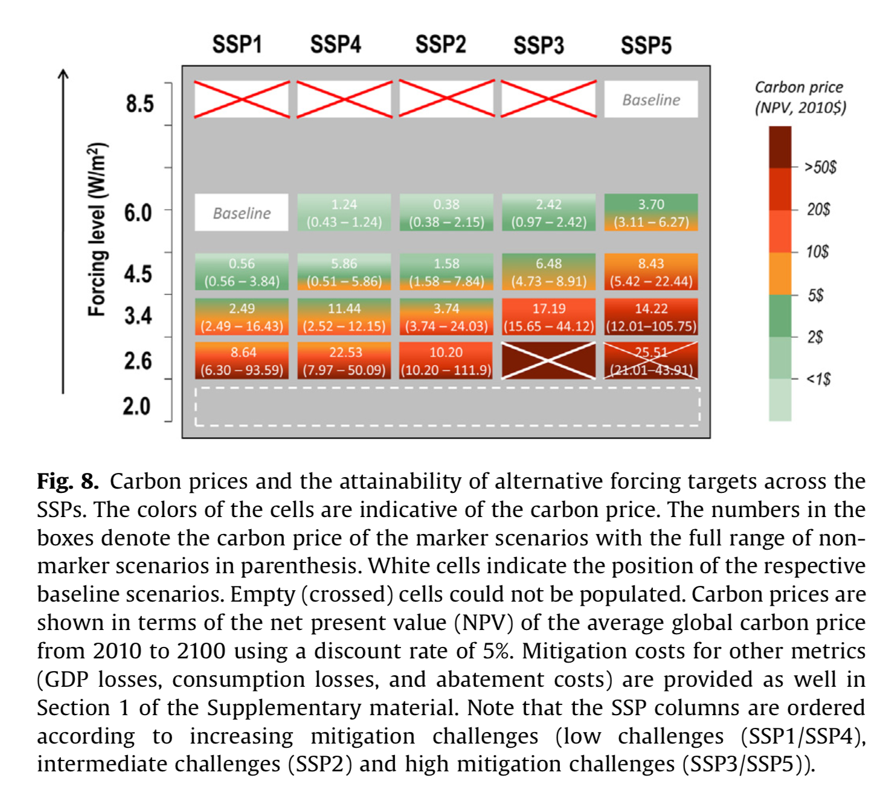
GCAM4 | SSP2-19 | World | Price|Carbon | US$2005/t CO2 |  | 0 | 0 | 56.455 | 156.191 | 254.422 | 414.376 | 675.196 | 1099.735 | 1791.115 | 2917.571
GCAM4 | SSP2-26 | World | Price|Carbon | US$2005/t CO2 |  | 0 | 0 | 0 | 99.214 | 161.608 | 263.243 | 428.795 | 698.463 | 1137.721 | 1853.226
GCAM4 | SSP2-34 | World | Price|Carbon | US$2005/t CO2 |  | 0 | 0 | 0 | 43.678 | 71.147 | 115.891 | 188.775 | 307.494 | 500.876 | 815.874
GCAM4 | SSP2-45 | World | Price|Carbon | US$2005/t CO2 |  | 0 | 0 | 0 | 33.117 | 53.944 | 87.869 | 143.129 | 199.496 | 242.171 | 317.782
GCAM4 | SSP2-60 | World | Price|Carbon | US$2005/t CO2 |  | 0 | 0 | 0 | 5.447 | 8.872 | 14.452 | 23.54 | 38.344 | 62.459 | 101.739
GCAM4 | SSP2-Baseline | World | Price|Carbon | US$2005/t CO2 |  | 0 | 0 | 0 | 0 | 0 | 0 | 0 | 0 | 0 | 0

Model | Scenario | Region | Variable | Unit | 2005 | 2010 | 2020 | 2030 | 2040 | 2050 | 2060 | 2070 | 2080 | 2090 | 2100
GCAM4 | SSP2-19 | World | Price|Carbon | US$2015/t CO2 | NA | 0 | 0 | 67.508121603 | 186.77107468 | 304.23436922 | 495.50518815 | 807.39019881 | 1315.0481642 | 2141.7909702 | 3488.791743
GCAM4 | SSP2-26 | World | Price|Carbon | US$2015/t CO2 | NA | 0 | 0 | 0 | 118.63875258 | 193.24864965 | 314.78240112 | 512.74723236 | 835.21256114 | 1360.4713067 | 2216.0624598
GCAM4 | SSP2-34 | World | Price|Carbon | US$2015/t CO2 | NA | 0 | 0 | 0 | 52.229558682 | 85.076615493 | 138.58088248 | 225.73457897 | 367.69714541 | 598.94071235 | 975.61103896
GCAM4 | SSP2-45 | World | Price|Carbon | US$2015/t CO2 | NA | 0 | 0 | 0 | 39.600858438 | 64.505501935 | 105.07255579 | 171.15171264 | 238.55460504 | 289.58478995 | 379.99939596
GCAM4 | SSP2-60 | World | Price|Carbon | US$2015/t CO2 | NA | 0 | 0 | 0 | 6.5134485585 | 10.609017002 | 17.281505153 | 28.148812019 | 45.851233987 | 74.68762319 | 121.65811325
GCAM4 | SSP2-Baseline | World | Price|Carbon | US$2015/t CO2 | NA | 0 | 0 | 0 | 0 | 0 | 0 | 0 | 0 | 0 | 0

